BIA Template
Business Impact Analysis Template
# | Business Function | Department | Process Owner | Recovery Time Objective (RTO) | Recovery Point Objective (RPO) | Maximum Tolerable Downtime (MTD) | Criticality | Dependencies | Impact of Disruption | Mitigation Strategy
1 | Order Processing | Operations | John Doe | 4 | 2 | 6 | High | ERP System | Revenue loss | Cloud backup
2 | Customer Support | Customer Service | Jane Smith | 8 | 4 | 10 | Medium | CRM | Customer dissatisfaction | Training
3 | IT Infrastructure | IT | Alex Turner | 2 | 1 | 3 | High | Servers | Operational halt | Redundancy
4 | Finance & Accounting | Finance | Maria Garcia | 24 | 12 | 30 | Medium | Accounting Software | Delayed payments | Offsite storage
5 | Human Resources | HR | Chris Lee | 48 | 24 | 72 | Low | HRMS | Payroll delay | Manual process
6 | Supply Chain | Operations | Steve Brown | 12 | 6 | 18 | Medium | Vendors | Production delay | Alt suppliers
7 | Legal & Compliance | Legal | Nina Patel | 24 | 12 | 30 | Medium | Regulatory Systems | Legal issues | Legal support
8 | Product Development | R&D | Laura Chen | 72 | 48 | 96 | Low | Design Tools | Innovation pause | Backup tools
9 | Marketing | Marketing | Samuel Green | 48 | 24 | 72 | Low | Email | Brand loss | PR Plan
10 | Sales | Sales | Linda White | 24 | 12 | 30 | Medium | CRM | Sales loss | Mobile sales access
11 | Logistics | Operations | Brian Black | 8 | 4 | 12 | High | Transporters | Delivery delays | Alt logistics
12 | Data Management | IT | Kevin Scott | 2 | 1 | 3 | High | Database | Data inconsistency | Data sync
13 | Procurement | Procurement | Olivia Adams | 12 | 6 | 18 | Medium | Vendor Portals | Supply issues | Secondary suppliers
14 | Security | Security | George Hall | 1 | 1 | 2 | High | Surveillance | Security risk | On-prem backup
15 | Facilities Management | Admin | Diana Reed | 24 | 12 | 36 | Medium | Utilities | Workplace inaccessibility | Facility contracts

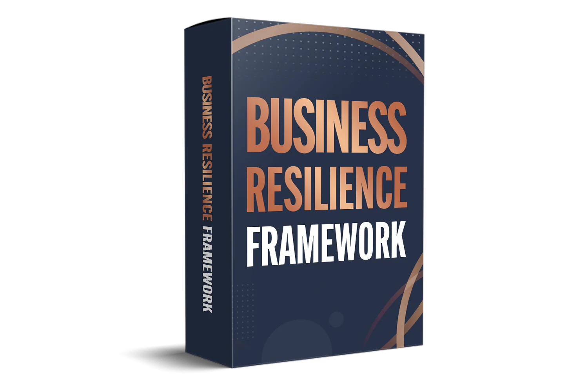

 | Our Business Resilience Framework is designed to help companies navigate unexpected challenges and ensure continued operations in times of crisis. By providing a comprehensive strategy that covers risk management, disaster recovery, and business continuity planning, our framework empowers businesses to adapt and thrive in any situation. With clear guidelines and actionable steps, our framework serves as a roadmap for building resilience and long-term sustainability.
 | Ø 19 Templates Created by Experts

 | ØStructured Business Continuity Plan (BCP)

 | ØComprehensive Disaster Recovery Plan

 | Ø Pre-written & Customizable Templates

 | Ø Unlimited Email and Chat Support

 | Ø Available for Immediate Download !

 | Ø Detailed Data Governance Implementation Blueprint

